GAMBAR
 |  |  |  |  | PT. PLN (PERSERO) UP3 DEMAK
Hasil Ukur Trafo 3 Ph 50 KVA ( X ) di -
 | X0 | X1 | X2 | X3 | Keterangan Gambar :
SIANG |  |  |  |  | No | Nama Material |  |  | Baru |  | Eksisting
s
s
MALAM |  |  |  |  | 1 | Tiang Beton
 |  |  |  |  | 2 | Tiang Besi
 |  |  |  |  | 3 | JTM 3 Fasa
 |  |  |  |  | 4 | JTM 1 Fasa
 |  |  |  |  | 5 | JTR 1 Fasa Only / UB
 |  |  |  |  | 6 | JTR 3 Fasa Only / UB
 |  |  |  |  | 7 | Trafo 1 Fasa
 |  |  |  |  | 8 | Trafo 3 Fasa
 |  |  |  |  | 9 | Fuse Cut Out
 |  |  |  |  | 10 | ABSW
 |  |  |  |  | 11 | Vang Net
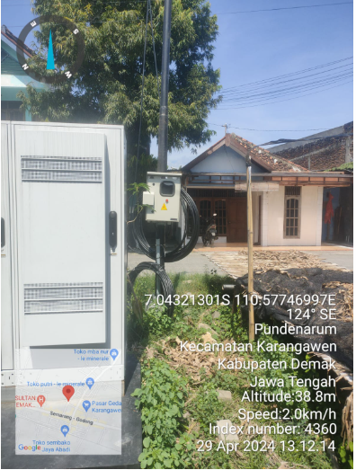
 |  |  |  |  | 12 | Schoor
 |  |  |  |  | 13

MGN06-183/3
1 CG105-50KVA
2 CM2-11M
6 SJ6
1 CM2-12
8 SR 1 PH
3 SJ5
8 SR 1PH
 |  |  |  |  | Bongkar Pasang Konstruksi :
 |  |  |  |  | Pasang |  |  |  | Bongkar
 |  |  |  |  | C9-200 E |  | BTG | 0 | SR 1 PH |  | U | 8
 |  |  |  |  | CG 105 50KVA |  | U | 1 | SJ5 |  | U | 3
A
 |  |  |  |  | CM2-11M |  | U | 2
 |  |  |  |  | SJ6 |  | U | 6
37 m
37 m
 |  |  |  |  | MJ6-T |  | U | 0
 |  |  |  |  | CM2-12 |  | U | 1
 |  |  |  |  | CM2-12A |  | U | 0
 |  |  |  |  | CE1-2 |  | U | 0
 |  |  |  |  | F1-2 |  | U | 0
 |  |  |  |  | SR 1 PH |  | U | 8
APP
APP

s
s

s
s

 |  |  |  |  | Keterangan Tambahan : -7.067371, 110.582684

 |  |  |  |  | Golongan
 |  |  |  |  | No. Gambar |  | 1 |  |  | Lembar |  | dr
 |  |  |  |  | Gambar dari |  |  |  |  | Skala
 |  |  |  |  | Perihal:
 |  |  |  |  | PT EKAMAS REPUBLIK
 |  |  |  |  | DS BRAMBANG KARANGAWEN

 |  |  |  |  | Digambar |  | Staf Teknik
 |  |  |  |  | Diperiksa |  | TL. Teknik
 |  |  |  |  | Diketahui |  | Manager ULP
 |  |  |  |  | Disetujui |  | Man. Perencanaan

MGN03-208/69
1 C11-200 E
1 CA1
1 SCJ5
1 CM2-12
8 SR 1 PH
1 CG 105-50 KVA
2 CM2-11M
1 SJ6
8 SR 1 PH

PETA
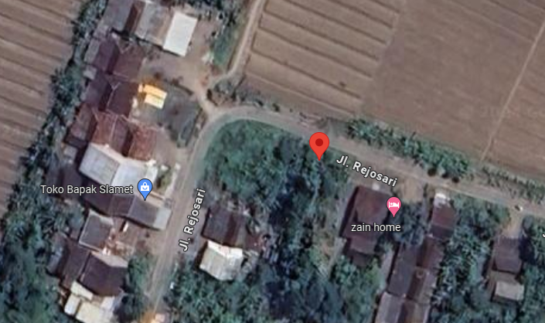
PETA LOKASI PELANGGAN

KOORDINAT LOKASI : -7.067371, 110.582684

